Summary 2026
 |  |  |  |  |  |  |  |  |  |  | 2024
Loan contract period 2025 | TOTAL LIMIT | Credit type | Collateral | Re-valuation Sacom (Amount Mortgage) | Rate of Mortgage | Credit limit used VNĐ | Credit limit used USD exr: 25.500 vnd/usd | Comparing witn last year | Note | more Conditions in Contract 2025

15-Apr.2025 to 14-Apr.2026 | 10,692,308 | Short term | Machines, equipments | 61,199,000,000 | 50-60% | 5,000,000,000 | $192,308 | $(435,143) | In 2.3M value off machine included by -1.9M - They are out of depreciation -408k - They are still have depreciation Decrease from last year:431k usd | To guarantee this item, add some items on the financial statement as of December 31, 2024. 1-Cash- 22,813,358 vnd = 894k usd 2-Current account receivable (AR and other receivable):315,387,828,805 vnd = 12,368k usd In which: 1- AR 2-Advance to supplier ( buy machines ) 3- Other receivable: as ( VAT of Bluewind, Import tax pending from 2014-2015 can't refund ....) 3-Inventory: 180,797,337,799 = 7,097k usd 4-other current assets:26,605,299,850 =1,043k usd In which: 1- Short term prepaid expense: ( Some expense pay already but need to allowcate monthly such as Tuison fee , service fee, insurance , house rental, machine rental....) 2- Deductable VAT ( waiting refund)
 |  |  | Building | 57,090,000,000 | 89% | 51,000,000,000 | $1,961,538 | $(38,462) | Keep the same last year
 |  |  | Land use right | 135,876,000,000 | 90% | 122,000,000,000 | $4,692,308 | $1,045,249 | Increase from last year: 1.1M Usd
 |  |  | Account receivable |  |  | 100,000,000,000 | $3,846,154 | $(75,415) | Everage of AR is received at Sacombank account with 2,745, 098usd (70B vnd) (Bank will revaluation monthly but not reduction of the Limit during the validity of the contract)
 |  | Limit of short term |  | 254,165,000,000 |  | 278,000,000,000 | $10,692,308 | $496,229 | Increase from last year: 705k usd
 | 384,615 | Limit of Long term |  |  |  | 10,000,000,000 | $384,615 | $(987,934) | Decreasing Last year: 947k usd |  |  | 20,529,283,907
 | 769,231 | L/C |  |  |  | 20,000,000,000 | $769,231 | $(15,083) | Keep the same last year |  |  | 789,587.84
 | TOTAL LIMIT |  |  |  |  | 308,000,000,000 | $11,846,154 | $(506,787)
 |  |  |  |  |  |  |  |  |  |  | 2026 FS
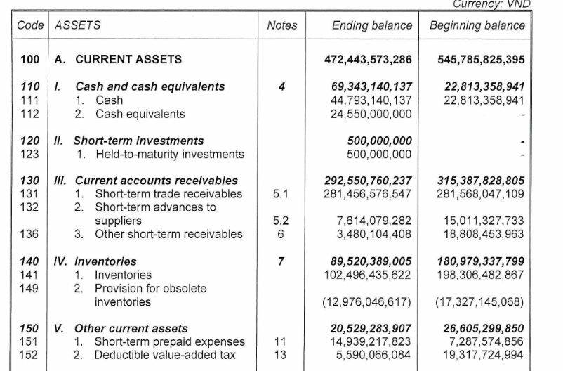
Loan contract period 2026 | TOTAL LIMIT | Credit type | Collateral | Re-valuation Sacom (Amount Mortgage) | Rate of Mortgage | Credit limit used VNĐ | Credit limit used USD exr: 25.500 vnd/usd | Comparing witn last year | Note | more Conditions in Contract 2026

28-Apr.2026 to 27-Apr.2027 | 10,692,308 | Short term | Machines, equipments | 86,306,000,000 | 0-50-60% | 23,000,000,000 | $884,615 | $692,308 | In 3.3M value off machine included by -1.1M - They are out of depreciation -2.1M - They are still have depreciation Increase from last year:884k usd | To guarantee this item, add some items on the financial statement as of December 31, 2025. 1-Cash- 69,343,140,137 vnd = 2,6M usd 2-Current account receivable (AR and other receivable):292,550,760,237 vnd = 11M usd In which: 1- AR 2-Advance to supplier ( buy machines ) 3-Inventory: 89,520,389,005= 3M usd 4-other current assets:20,529,283,907 =789k usd In which: 1- Short term prepaid expense: ( Some expense pay already but need to allowcate monthly such as Tuison fee , service fee, insurance , house rental, machine rental....) 2- Deductable VAT ( waiting refund)
 |  |  | Building | 65,157,000,000 | 83% | 54,000,000,000 | $2,076,923 | $115,385 | Increasing 115k
 |  |  | Land use right | 133,247,000,000 | 89% | 119,000,000,000 | $4,576,923 | $(115,385) | Decreasing 115k
 |  |  | Account receivable |  |  | 82,000,000,000 | $3,153,846 | $(692,308) | AR is essentially considered an unsecured loan. This year, Sacombank (HQ) has tightened its regulations, so the requirements have decreased 692k$ and replaced by increasing machines. Because our balance sheet situation remains, and has even increased by $500k compared to last year.
 |  | Limit of short term |  | 284,710,000,000 |  | 278,000,000,000 | $10,692,308 | $- | Keep the same last year
 | 692,308 | Limit of Long term |  |  |  | 18,000,000,000 | $692,308 | $307,692 | Increase from last year:307k usd
 | 1,538,462 | L/C |  |  |  | 40,000,000,000 | $1,538,462 | $769,231 | Increase from last year: 769k usd
 | 384,615 | Overdraft limit |  |  |  | 10,000,000,000 | $384,615 | $384,615 | Increase in 2026, This is more fund. We can use in urgent case with high interest. Time of using is even some days, and we pay interest on the used days
 | TOTAL LIMIT |  |  |  |  | 346,000,000,000 | $13,307,692 | $1,461,538

Financial Imbalance
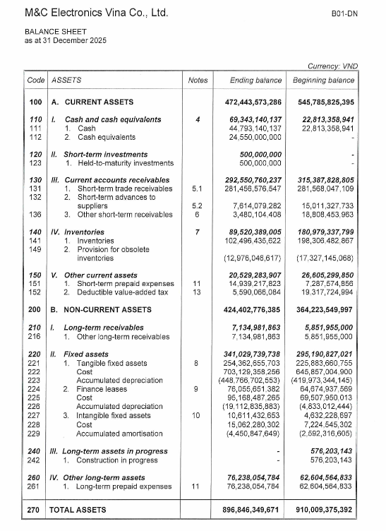
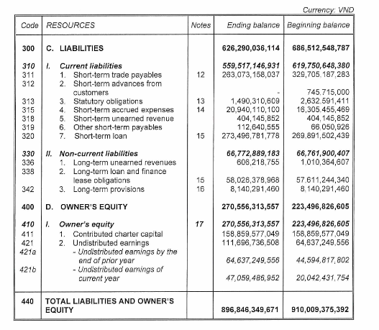
Based on several indicators in the financial statements.
No | Khoản mục | Dec.2025 | Dec.2024 | Variable | Ghi chú
I | B NON - CURRENT ASSETS | 424,402,776,385 | 363,647,346,855 | 60,755,429,530
1 | Fix assets (221)+(224) | 330,418,307,086 | 290,558,598,324 | 39,859,708,762 | Tăng lên 95ti , chuyển sang thuê tài chính 26 tỉ và thanh lý máy móc cũ 12 tỉ
2 | Tangible fix assets (277) | 10,611,432,653 | 4,632,228,697 | 5,979,203,956 | Đầu tư phần mềm thiết kế cho bộ phận R&D
3 | Long term assets(260) +(216) | 83,373,036,646 | 68,456,519,834 | 14,916,516,813 | Khoản thuế không nhập khẩu từ lâu không được hoàn chiếm 13ti , nay chuyển xuống để phân bổ chi phí dần . Và một số khoản sửa sữa và nâng cấp khác. Về cơ bản không ảnh hưởng đến thâm hụt từ nguồn vốn
II | Non-current liability (330) | 66,772,889,183 | 66,762,280,407 | 10,608,776
III | Owner's equity (410) | 111,696,747,624 | 64,637,249,574 | 47,059,498,050.15
Financial imbalance ( I)-(II)-(III) |  | 245,933,139,578 | 232,247,816,874 | 13,685,322,704
 |  | $9,458,966.91 | $8,932,608.34 | $526,358.57

